Question1
Q1. What is the cell relative address?
Sol:
By default in MS Excel cell addresses are relative. When we don't write the dollar ($) sign in row or column numbers in any formula then cell will become ralative, and if we copy the formula and paste it on other cell then it will show error or different result according to relative cell position of row and column. Relative references are used when we want to change the cell position in any formula to give different result according to ralative position of cells.
We can see relative address of cells in the figure:-
After draging the first formula till we want this will
autometically changes according to cell position like
this in the above figure.

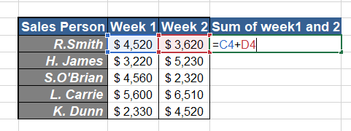
Relative cells
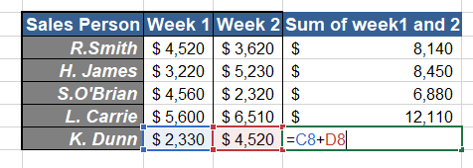

Drag it till down

Question2
Q2. When analysing the formulas, Write the order of operations used in excel?
Sol:
When analysing the formula, Excel follows a rule for order of operations name "PEMDAS" (Parentheses, Exponents, Multiplication, Division, Addition, Subtraction).
In any expression/formula firstly Parentheses are evaluated, any operation present in the Parenthesis are excuted first. Then after excel will resolve references(A1) or range of references(A1:A10) in the expression, and other range operations like comma and spaces also excuted at the same time.
Now excel will give preference to Exponentiation part, negation, and precent conversion followed by multiplication and division(left to right), addition and subtraction(left to right). Now if any concatenation part is present then it will excute or finally logical operator .

Sr.No | Order of Preference | Symbol | Example | Output
1 | Parentheses | () | =(10+20) | 30
2 | Reference Operator | : , " " | =A1,A1:A10 | #VALUE!
3 | Negation | - | =-5^2 | 25
4 | Percent | % | =20%*100 | 20
5 | Exponentiation | ^ | =5^2 | 25
6 | Multiplication and division | * , / | =(2*10)&(100/20) | 205
7 | Addition and Subtraction | "+ ", "-" | =(25+25)&(40-20) | 5020
8 | Concatenation | & | ="SerialNo"& 100 | SerialNo100
9 | Comparison | " = " , | =SUM(5+5) | 10
 |  | <, | =5<7 | TRUE
 |  | >, | =10>6 | TRUE
 |  | <=, | =5<=10 | TRUE
 |  | >= | =50>=40 | TRUE

Question3
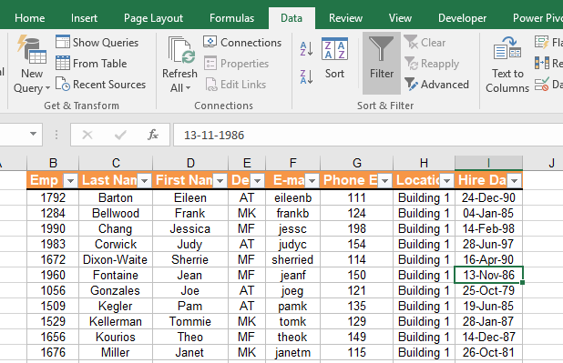
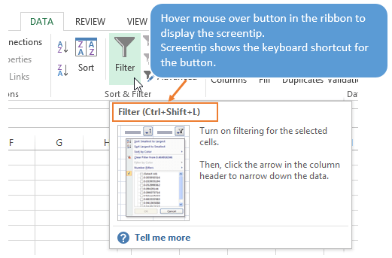
Q3. What is the shortcut way of data filter in Microsoft excel 2013?
Sol:
The shortcut way of data filter in Microsoft Excel 2013 is Ctrl+Shift+L. First of all click inside anywhere in the table/list/array then press Ctrl+Shift+L for appling filter in it. We can see a filter is applied on the top row. By clicking on that we can see their is lots of option for filtering the table.
After pressing "Ctrl+Shift+L" When we click on any "Down Arrow" many filtering options will be shown
The above shortcut will be present in Data>Sort & Filter

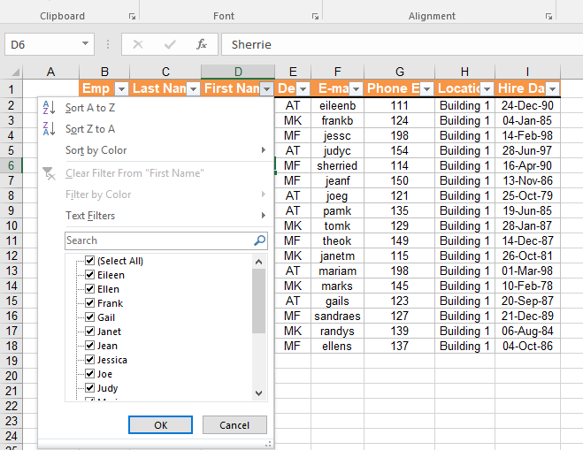
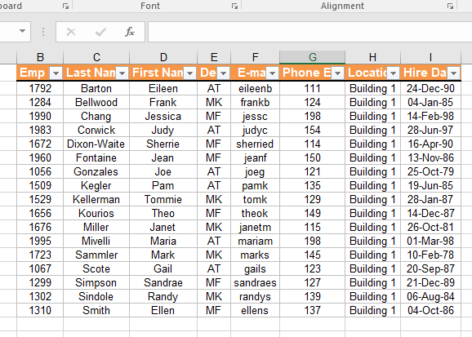
Down Arrow

Question4
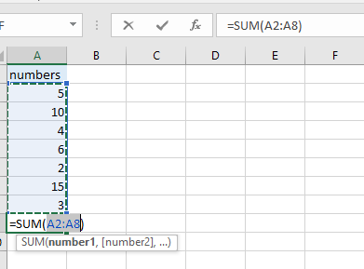
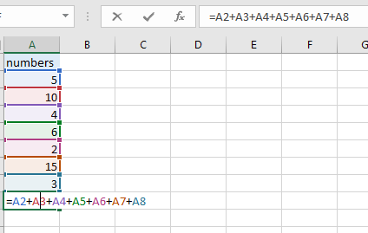
Q4. What is the difference between the function and formula in excel?
Sol:
Function: Function is predefine formula which is already available in Excel like SUM,DSUM,VLOOKUP etc. And it is predefine in excel in the form of code for doing the specific task. It can be the part of Furmula.
Example of Function excution
Formula: Formula is user defined operation which can be simple or complex it depend on the needs. A formula can have Function, operators, +, -, *, / etc for the calculation.
Exampl of Formula excution

Question5
Q5. How will you fix or lock the cell or range reference ?
Sol:
I think lock cell and lock cell/range reference are two different things.Normally in excel all cells are lock by default but when we use to protect sheet and if we want to unlock certain range the we can use it. After unlocking if we protect the sheet then this data of unlocked part of sheet can be change.
If we talk about cell/ range reference locking then we have to use dollar ($) sign before and after the cell number ($A$10) during writting and if we have certain range then put dollar sign at both the cell no. like this($A$1:$D$4). We can also lock the column($A10) only and row(A$10) only if we need. During locking column if we drag it down/up then row number will changes but column will be fixed and during locking row if we drag it right/left then column number will changes but row will be fixed. we can see in the figure:-

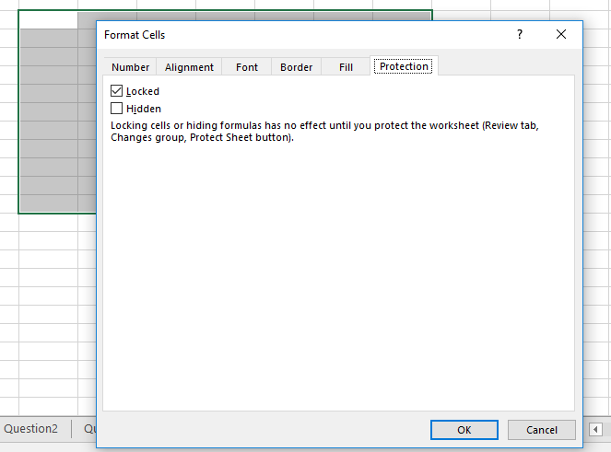

untick this box for unprotect certain range

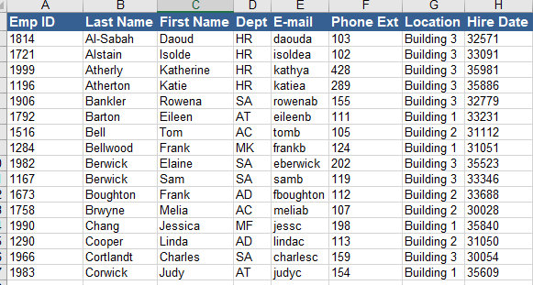
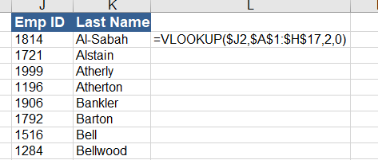

column fixed
range fixed

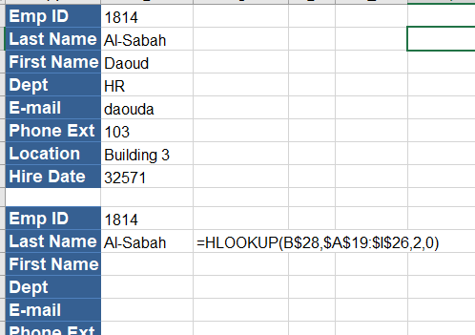

row fixed

Question6
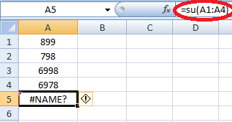
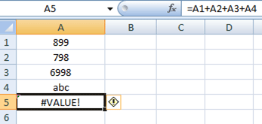
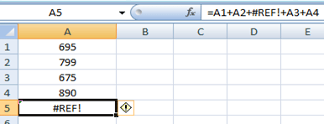
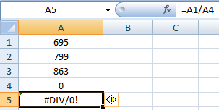
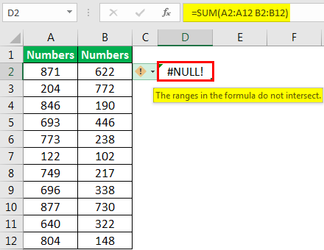
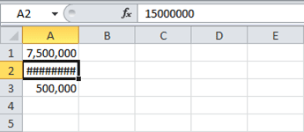
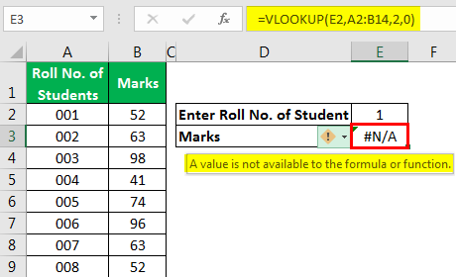
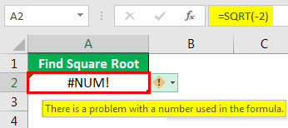
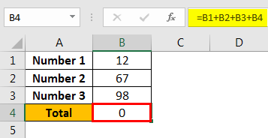
Q6. What is the different type of errors that you can find the excel?
Sol:
In excel during writting formula and functions for calculation various type of error can be arise which is as follow:-
1) Name error (#NAME?)
When we made mistake during writting the function name then this error will be shown
2) Value error (#VALUE!)
When we use wrong data type for function or formula during calculation then this error will be shown.
3) Reference error (#REF!)
When we use the function or formula from one place to another then due to reference mismatch or sometime we may delete the data which is used in calculation then this error will occure.
4) Division error (#DIV/0)
During division id we take 0 at the place of divisor then this error will occure.
5) Null error (#NULL!)
When we forget to separate the two cell reference correctly during writting the formula or function then we show this error
6) Column width error (######)
This is the most common type f error in ms excel. Whenever data become larger the the column width the this error will be shown.
7) N/A error (#N/A)
During writting the formula if the value/data is not matched or not available in the table then this error will appears.
8) Num error (#NUM!)
This error is usually displayed when a number for any argument of a function is found invalid.
9) Circular error
This type of error comes when we reference the same cell in which we are writing the function or formula.

